⚒️ Tools
⚒️ Tools

💡 Instructions: This sheet is an overview of all the amazing HR tools and resources that you've bought along with our HR Checklist. Make a copy of each Tool Spreadsheet after opening it to make it editable and usable. 👉 Create your version by clicking File -> Make a Copy

Tool Name | Preview | Explanation | Link
👩🏼‍💻 Applicant Database Template | 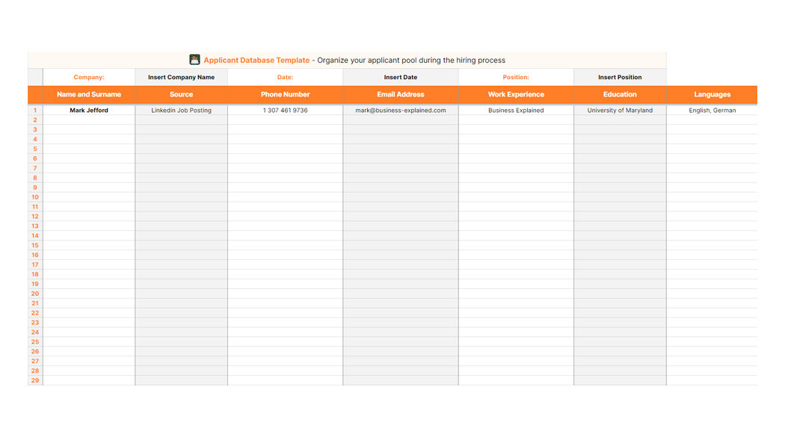 | Streamline all the applications you receive in multiple channels (Email, Linkedin, Website, Job Posting) into one template for easier evaluation, tracking of applicants and easy note-keeping. | Click HERE to access the tool.
💡25 Questions to ask on an Interview | 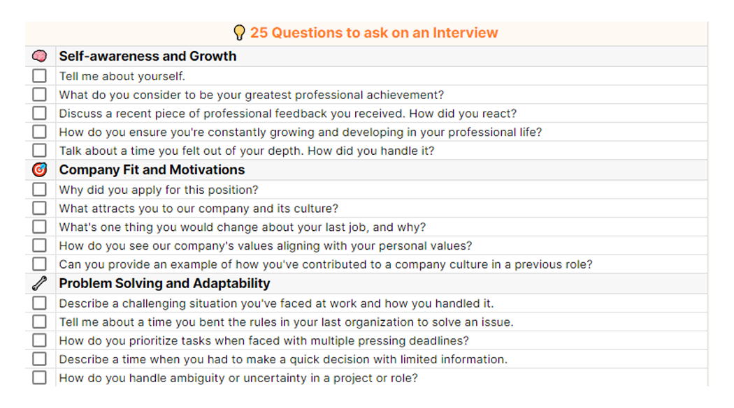 | This tool helps you excel at conducting job interviews, as it contains 25 examples of usable questions categorized into 5 categories, from Company Fit and Motivation, all the way to Self-Awareness and Growth | Click HERE to access the tool.
🎭 5 Out-of-the-Box Interview Questions | 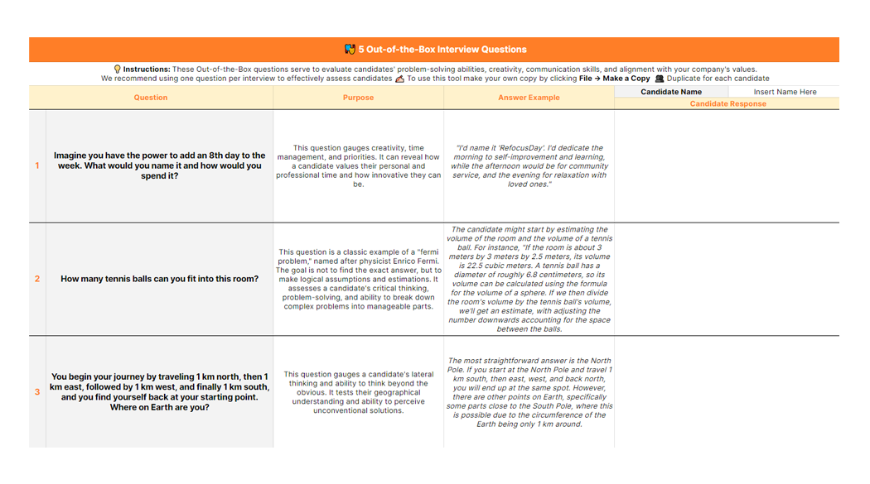 | This tool contains 5 interesting and creative questions that are crafted to make your candidate think outside the box, and show you how they approach problem-solving when faced with questions they could not have prepared for | Click HERE to access the tool.
👥 1-on-1 Meetings with Employees | 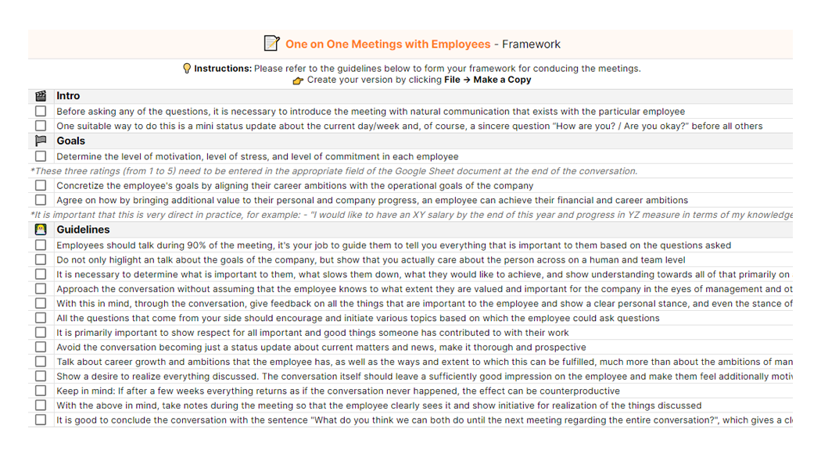 | This is a template containg both instructions, and questions to help you better conduct 1-on-1 meetings with your employees. It encompasses both tips and tricks how to make the meetings more productive, emphasizing what you should pay attention to and how to structure the meeting, along with a list of questions and scoring templates. | Click HERE to access the tool.
📊 Employee Performance Rating Calculator | 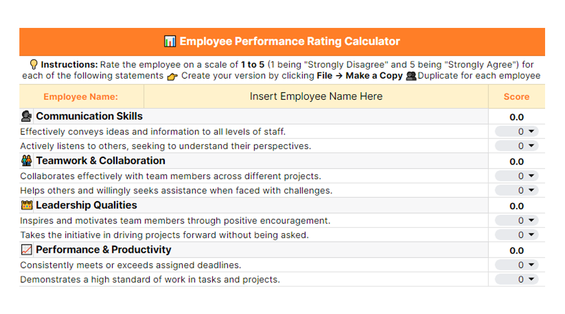 | Using this tool you can gauge the overall performance on your employees. By filling out the dropdown forms with numerical values, you can get an accurate representation of the performance of any employee in your company, with streamlined scoring | Click HERE to access the tool.

