⚒️ Tools
⚒️ Tools
💡 Instructions: This sheet is an overview of the amazing and useful tools that we mentioned in this Cheat Sheet and Notions, along with some other recommendations. We recommend checking them out, and choosing based on your needs and preferences.
Tool Name | Preview | Explanation | Link
🔍 Project Tracking Template | 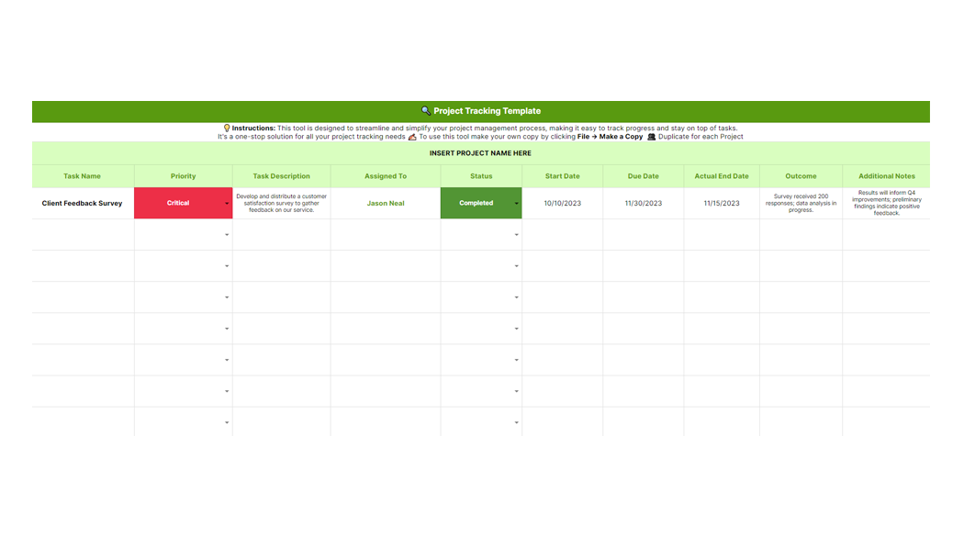 | This tool is designed to streamline and simplify your project management process, making it easy to track progress and stay on top of tasks. It's a one-stop solution for all your project tracking needs. | Click HERE to access the tool.
💰 Project Budget Template | 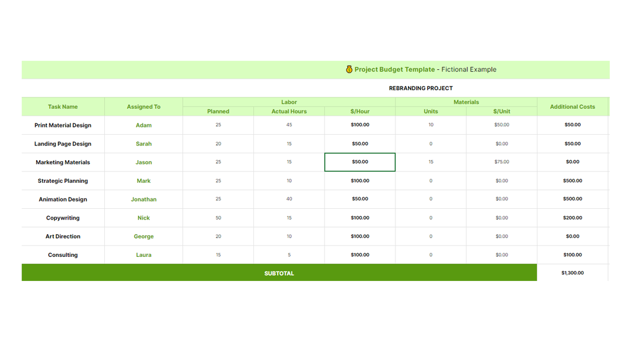 | We made this template to help you track and manage your project's budget effectively, including details on tasks, hours spent, and material costs. | Click HERE to access the tool.

💻 Software
💻 Software
💡 Instructions: This sheet is an overview of the amazing and useful tools that we mentioned in this Cheat Sheet and Notions, along with some other recommendations. We recommend checking them out, and choosing based on your needs and preferences.
Tool Name | Preview | More information | Link
Monday.com | 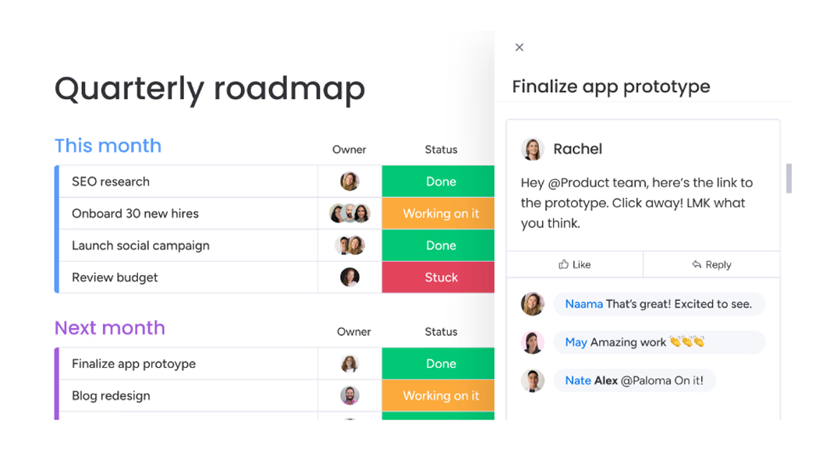 | Monday.com: A versatile project management tool, Monday.com allows users to customize workflows to their specific needs. Its intuitive interface encourages collaboration and enhances productivity. | https://monday.com/
Asana | 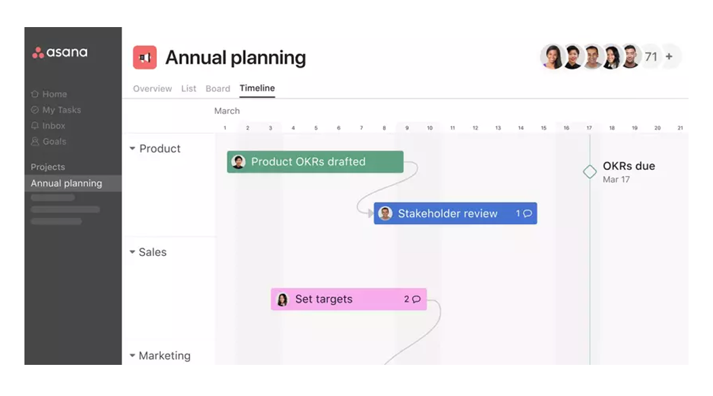 | Asana: Ideal for teams of all sizes, Asana simplifies task tracking and project planning. It offers a blend of traditional and agile project management tools, fostering efficiency and transparency. | https://asana.com/
Trello | 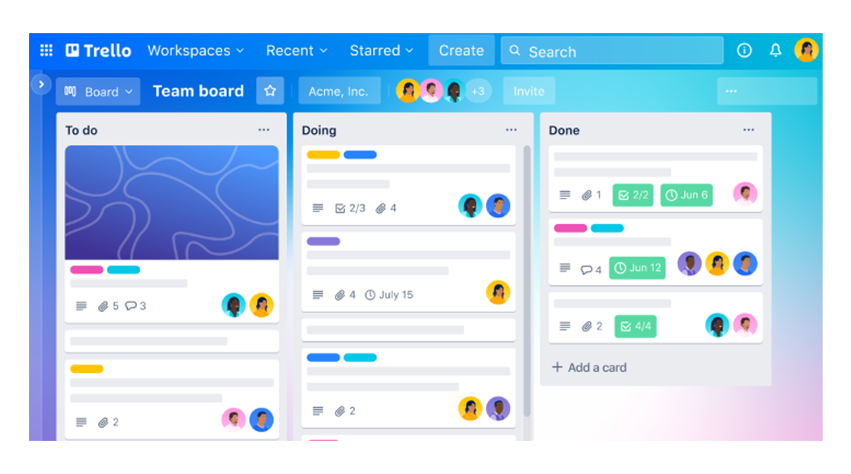 | Trello: Trello utilizes a card-based system for organizing and prioritizing tasks. Its user-friendly interface and flexibility make it popular for both personal and professional project management. | https://trello.com/
Zoho Projects | 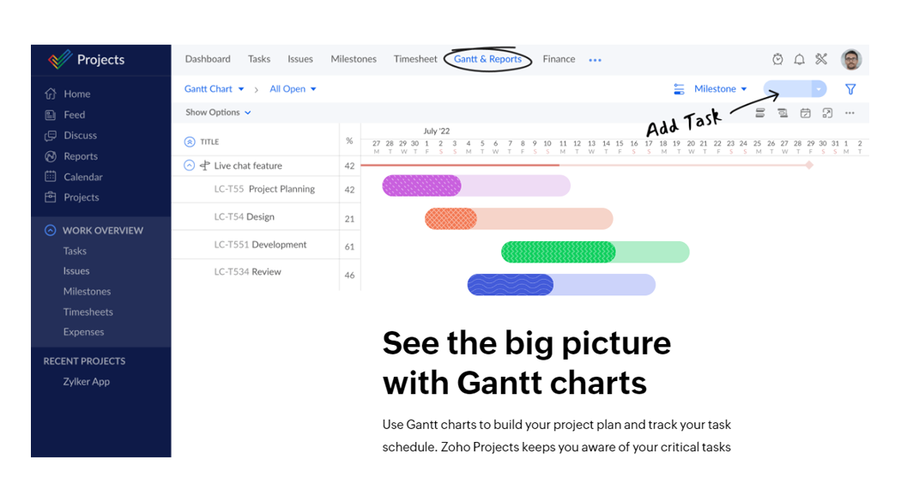 | Zoho Projects: Zoho Projects enables comprehensive online project planning and collaboration. Its strength lies in time tracking, detailed reporting, and integration with other Zoho products. | https://www.zoho.com/projects/
Wrike | 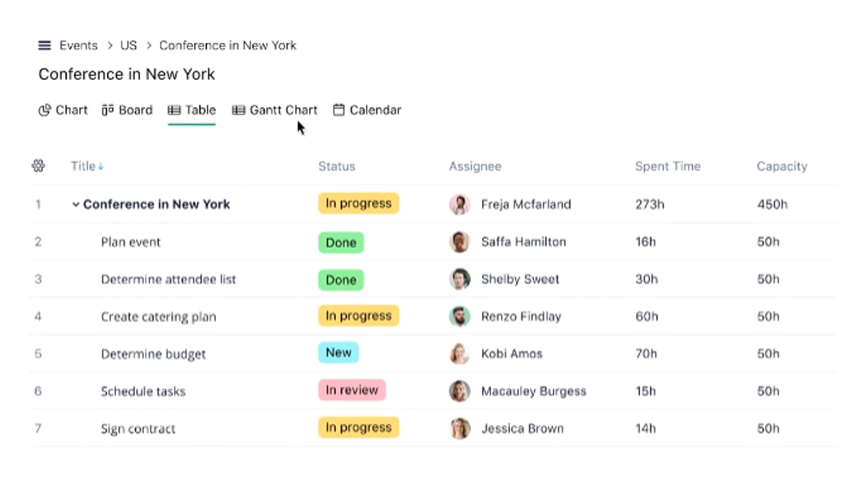 | Wrike: Wrike supports real-time collaboration among multifunctional groups. With customizable dashboards, it offers a versatile tool for efficient project management across different sectors. | https://www.wrike.com/
Clickup | 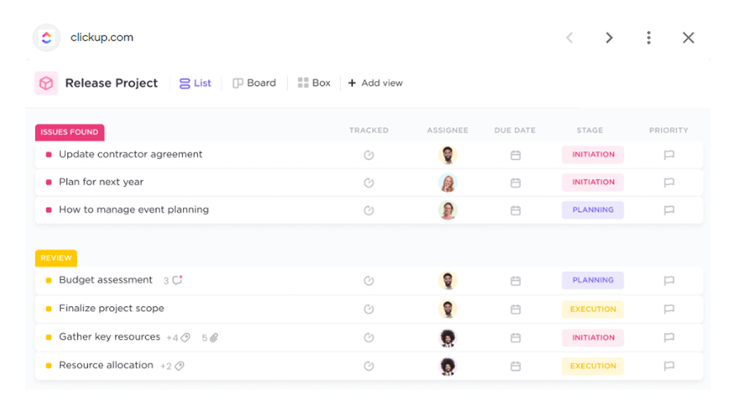 | ClickUp: Aspiring to be the one-stop solution for project management, ClickUp offers robust features including task management, time tracking, and document sharing, aiming to replace all other tools. | https://clickup.com/
Basecamp | 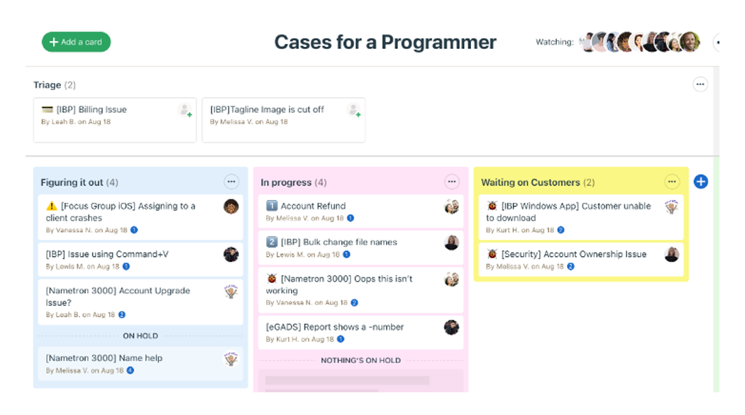 | Basecamp: Basecamp provides a comprehensive toolkit for project management and team communication. It helps in keeping all project components like tasks, discussions, and documents in one place. | https://basecamp.com/
Teamwork | 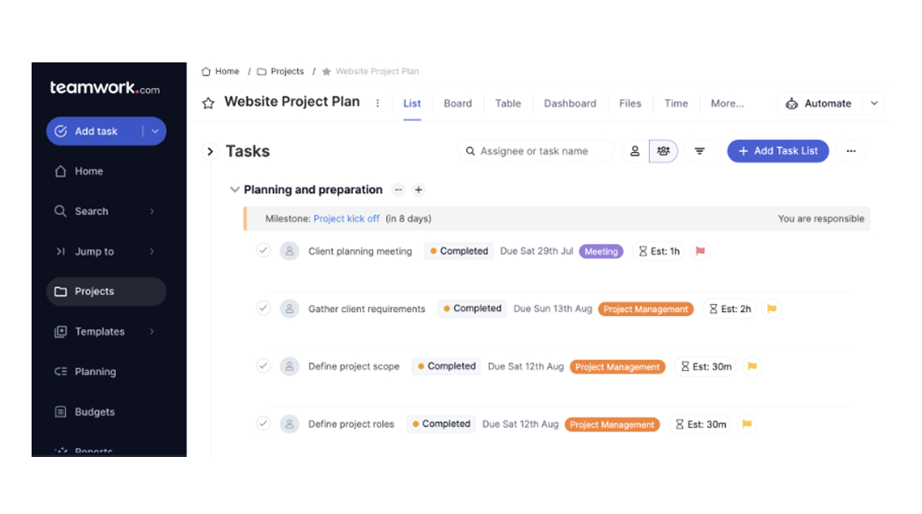 | Teamwork: Teamwork facilitates effective collaboration and improves project visibility. It offers robust features like time tracking, Gantt charts, and invoicing, driving team accountability and results. | https://www.teamwork.com/
Jira | 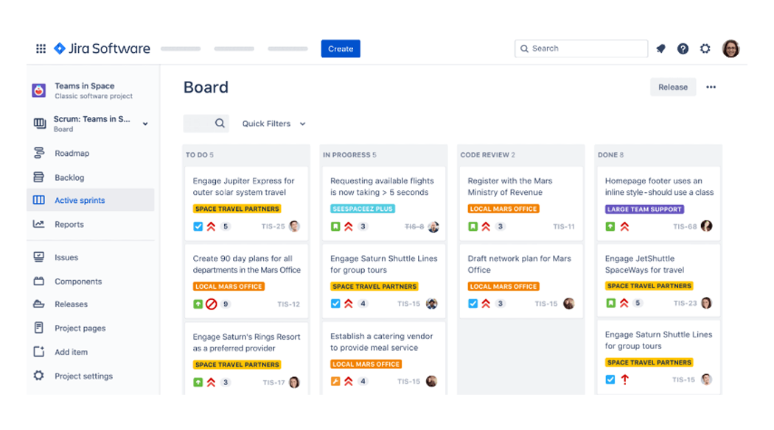 | Jira: Primarily designed for software development, Jira supports agile methodologies. It enables teams to plan, track, and release high-quality software, providing detailed reporting and powerful integrations. | https://jira.atlassian.com/
Smartsheet | 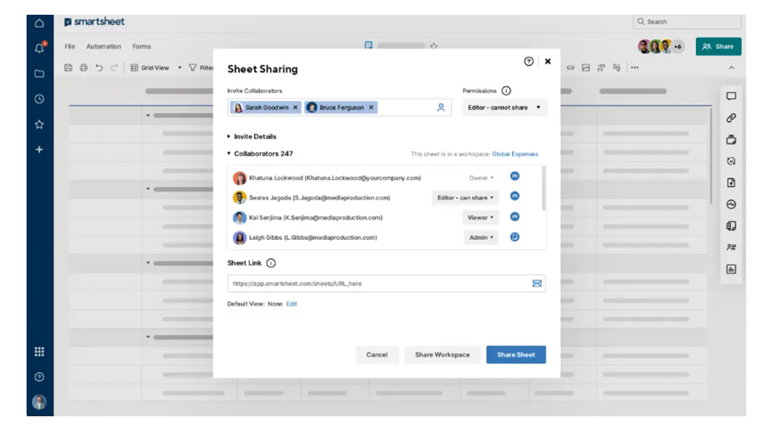 | Smartsheet: An enterprise platform, Smartsheet excels at collaboration, work management, and automation. It's highly customizable, supporting a wide range of project management and reporting needs. | https://www.smartsheet.com/
Proofhub | 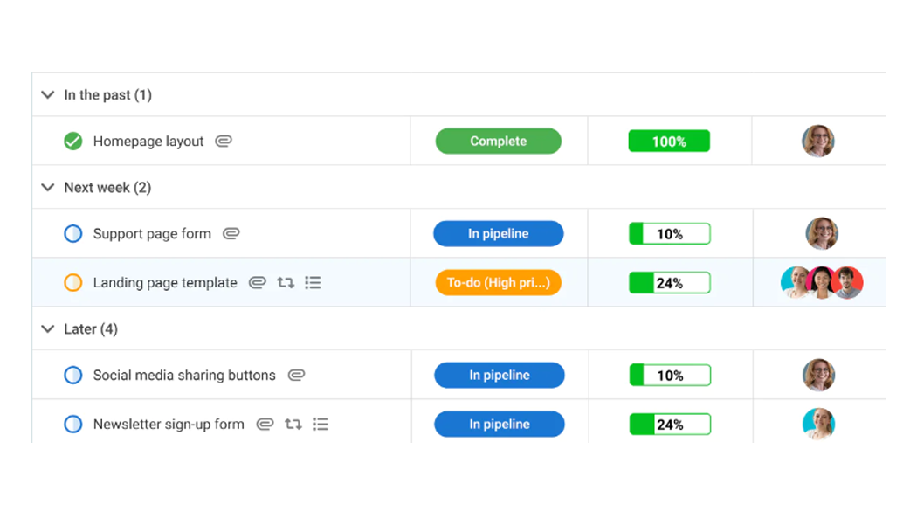 | ProofHub: ProofHub offers an all-in-one project management solution to streamline team collaboration. With features like task management, proofing, and custom roles, it optimizes team efficiency. | https://www.proofhub.com/
Notion | 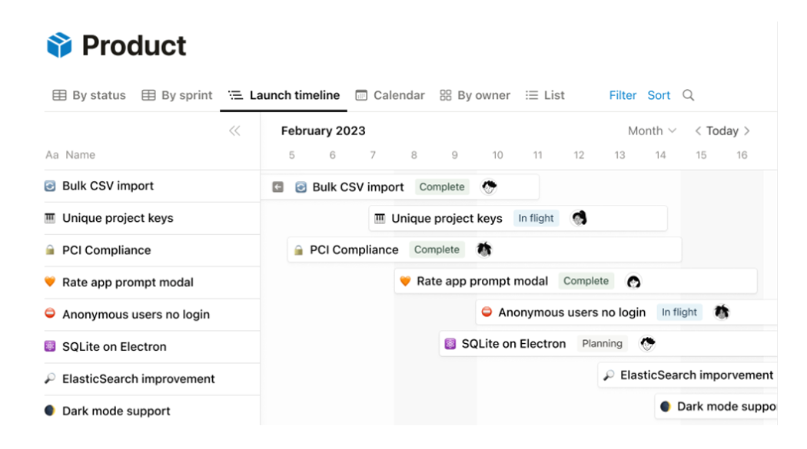 | Notion: Notion is an all-in-one workspace enabling users to write, plan, and collaborate effectively. It combines notes, tasks, wikis, and databases, promoting organization and productivity. | https://www.notion.so/
Airtable | 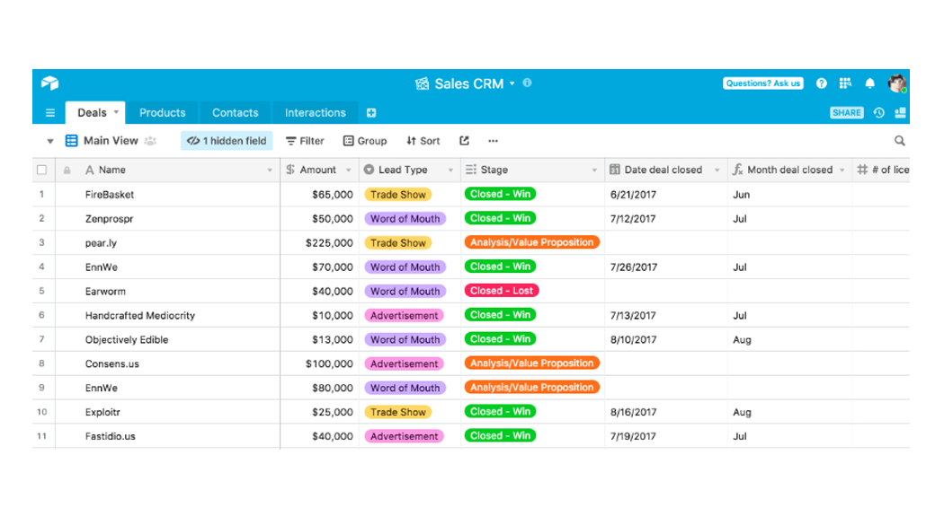 | Airtable: Airtable offers a unique blend of spreadsheet and database functionality, allowing teams to organize work, people, and ideas in a flexible and easy-to-use platform. | https://airtable.com/
Quire | 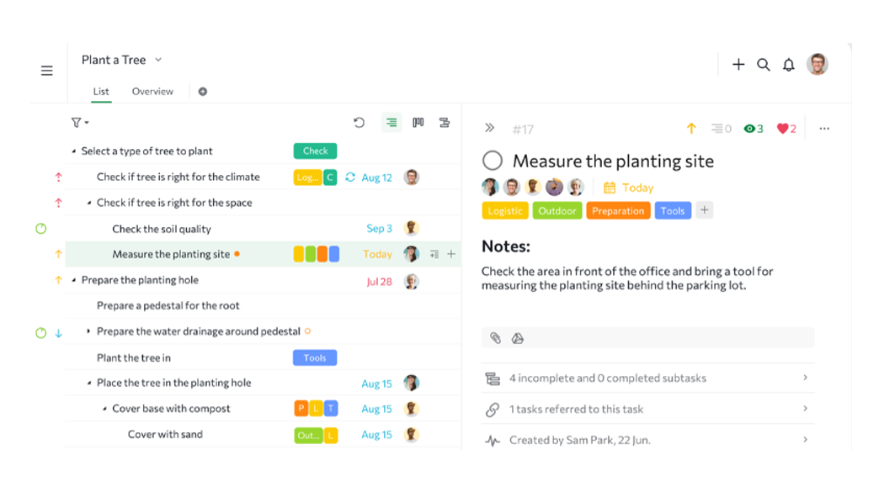 | Quire: Quire uses a Kanban board for task arrangement and prioritization, visualizing workflows across team members. It's excellent for dynamic teams aiming for a visual and adaptable work process. | https://quire.io/
Forecast | 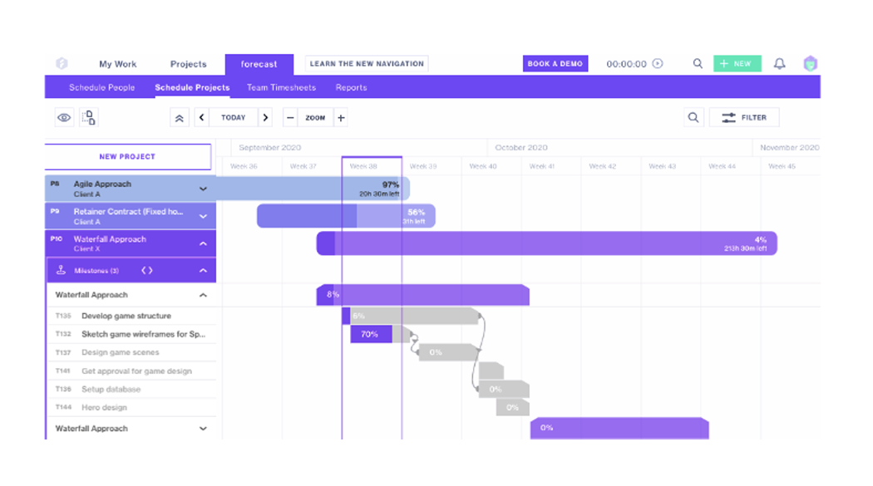 | Forecast: Forecast combines AI-driven project management, resource planning, and financial tracking in one platform. It enables businesses to plan and execute projects with predictability and profitability. | https://www.forecast.app/

